Contents
 | Effective Date: 11/07/2025 All Prices and Lead Times Subject to Change Without Notice - Revision 5.4 |  |  |  | FALSE | FALSE
OXYGEN SAFETY MONITORS |  |  |  | SERVICE
Series 1300 |  | Series 1000 |  | Get an RMA Authorization for Checkout and Calibration
Website - Product Datasheet & Manual |  | Website - Product Datasheet & Manual
 | Series 1300 is a digitally-controlled instrument with a measuring range of 0-30% and is available in AC only. Oxygen values are displayed to the nearest tenth of a percent on a high contrast front panel liquid crystal display (LCD). The monitor is housed in a resilient polycarbonate, wall mountable general purpose enclosure. Supports up to 3 sensors. |  | Series 1000 O2 Monitor with a local sensor is a microprocessor-controlled instrument with a range of 0-30% and is AC powered. Oxygen values are displayed on an easy-to-read, 10.2 mm (0.4”) high, 4-1/2 digit liquid crystal display (LCD). It also includes a 4-20mADC and 0-2VDC outputs. Supports only one sensor - local. ----USA Only----
PERCENT OXYGEN ANALYZERS
Series OXY-SEN |  | Series 2520 - DISCONTINUED
Website - Product Datasheet & Manual |  | Website - Product Datasheet & Manual
 | OXY-SEN Oxygen Monitor with a single range of 0-100% and is available in AC or DC powered versions. The enclosure is designed to be flush mounted onto a vertical surface such as an instrument panel, glove box, hypoxic chamber, etc. The general-purpose enclosure is fabricated from aluminum and painted with a baked-on finish. The OXY-SEN is equipped with a 3-1/2 digit front panel liquid crystal display. |  | Series 2520 Portable Percent Oxygen Analyzer is a light-weight, easy-to-use analyzer. The Series 2520 Portable Percent Oxygen Analyzer is equipped with liquid crystal display, built-in NICAD batteries, and a universal AC adapter that provides the ability to recharge the NICAD batteries even while powering the analyzer from the adapter.
 |  | Shown with optional coalescing filter and flowmeter
Series 2000 |  | Series 2000 OD™
Website - Product Datasheet & Manual |  | Website - Product Datasheet & Manual
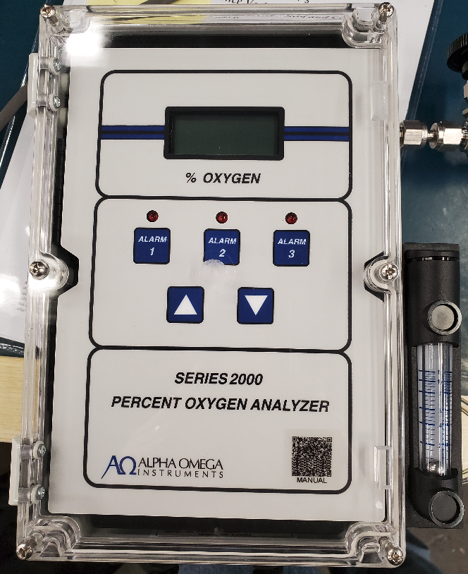 | Series 2000 Percent Oxygen Analyzer with three alarm relays, instrument status alarm relay, digital display, audible alarm, visual alarm indicators, NEMA 1 enclosure, 4-20 mADC, and 0-2 VDC analog outputs. Available in AC or DC powered versions. Mechanical configuration is wall mount. | 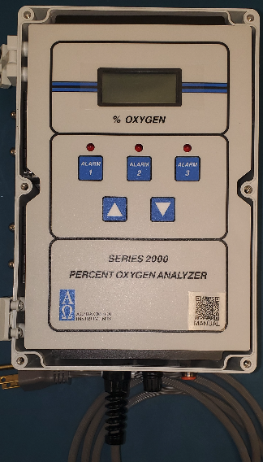 | Series 2000 Percent Oxygen Analyzer with three alarm relays, instrument status alarm relay, digital display, audible alarm, visual alarm indicators, NEMA 1 enclosure, 4-20 mADC, and 0-2 VDC analog outputs. Available in AC or DC powered versions. Comes with open diffuser sensor and cable. Mechanical configuration is wall mount.
Shown with optional flowmeter
Series 2500 - DISCONTINUED |  | Series 2510 - DISCONTINUED
Website - Product Datasheet & Manual |  | Website - Product Datasheet & Manual
 | Series 2500 Percent Oxygen Transmitter is a true loop powered (14-32 VDC) percent oxygen transmitter. The Series 2500 enclosure is made from durable polycarbonate, and is rated for NEMA 4 (IP 66) service (may change with the addition of certain optional equipment). A 4-20 mADC Output is provided. |  | Series 2510 Percent Oxygen Transmitter is an AC or 24VDC powered percent oxygen transmitter. The Series 2510 enclosure is made from durable polycarbonate, and is rated for NEMA 4 (IP 66) service (may change with the addition of certain optional equipment). A 4-20 mADC Output is provided.
Shown with optional coalescing filter, needle valve and flowmeter |  | Shown with optional coalescing filter, needle valve and flowmeter
COMBINATION PERCENT AND TRACE OXYGEN ANALYZER |  | ACCESSORIES & REPLACEMENT PARTS
Series ZrO2 |  | Parts
Website - Product Datasheet & Manual |  | Shop Parts Online
 | Zr02000 Fast Response Analyzer - ZrO2000 has a measuring range of 0.1 PPM to 100%. The non-depleting sensor used in the Series ZrO2000 Fast Response Oxygen Analyzer is a zirconium type that exhibits fast response times. Input voltage 90-264 VAC, 50 to 60Hz. |  | Accessories and Replacement Parts -Sensors -Filters -Cables, etc.
TRACE OXYGEN ANALYZERS
Series 3000 |  | Series 3520
Website - Product Datasheet & Manual |  | Website - Product Datasheet & Manual
 | Series 3000 Trace Oxygen Analyzer with three alarm relays, instrument status alarm relay, digital display, audible alarm, visual alarm indicators, NEMA 1 enclosure with manual sensor isolation valves, 4-20 mADC, and 0-2 VDC analog outputs. Available in AC or DC powered versions. Mechanical configuration is benchtop portable. |  | Series 3520 Portable Trace Oxygen Analyzer is a light-weight, easy-to-use analyzer. The Series 3520 Portable Trace Oxygen Analyzer is equipped with liquid crystal display, built-in NICAD batteries, and a universal AC adapter that provides the ability to recharge the NICAD batteries even while powering the analyzer from the adapter. Equipped with manual isolation valves.
Shown with optional coalescing filter and flowmeter |  | Shown with optional sample pump, flowmeter.
Series 3500 |  | Series 3510
Website - Product Datasheet & Manual |  | Website - Product Datasheet & Manual
 | Series 3500 Trace Oxygen Transmitter is a true loop powered (14-32 VDC) trace oxygen transmitter. The Series 3500 enclosure is made from durable polycarbonate, and is rated for NEMA 4 (IP 66) service (may change with the addition of certain optional equipment). Equipped with manual sensor isolation valves. A 4-20 mADC Output is provided. |  | Series 3510 Trace Oxygen Transmitter is an AC or DC powered trace oxygen transmitter. The Series 3510 enclosure is made from durable polycarbonate, and is rated for NEMA 4 (IP 66) service (may change with the addition of certain optional equipment). Equipped with manual sensor isolation valves. A 4-20 mADC Output is provided.
Shown with optional sample pump, flowmeter, solenoids, particulate filter and conduit strain reliefs (OEM). |  | Shown with optional sample pump, flowmeter, solenoids, particulate filter and conduit strain reliefs (OEM).

2000 OD
 | P/N | CODE | DESCRIPTION
Series | 2000 | 2000 | Series 2000 Percent Oxygen Analyzer with three alarm relays, instrument status alarm relay, digital display, audible alarm, visual alarm indicators, with 4-20 mADC, and 0-2 VDC analog outputs. See below for enclosure configurations.
 |  |  | Warranty: 2-year electronics and 1-year sensor
 |  |  | Dimensions and Weight: 9.45 in. (240.5mm) height, 6.50 in. (165.1mm) width, 5.6 in. (1142.2mm) depth. Weight 11lbs (4.98 kg). Note: all dimensions and weights are without optional equipment for BTP without handle.
 |  |  | HS Code: 9027803100
Range | Select One |  | Oxygen Range Options Auto Multi-range Instruments are calibrated on the middle range and can be set to a single range by the user.
 |  | F | Auto Multi-Range 0-10/25/100 Percent (Recommended replacement for single range A, B, C)
 |  | G | Auto Multi-Range 0-5/10/25 Percent (Recommend replacement for single range B, C, D)
Power | Select One |  | Input Power Options
 |  | U | Universal AC (90-264 VAC) - Replaces 115VAC and 230VAC Cordgrip strain relief with attached power cord
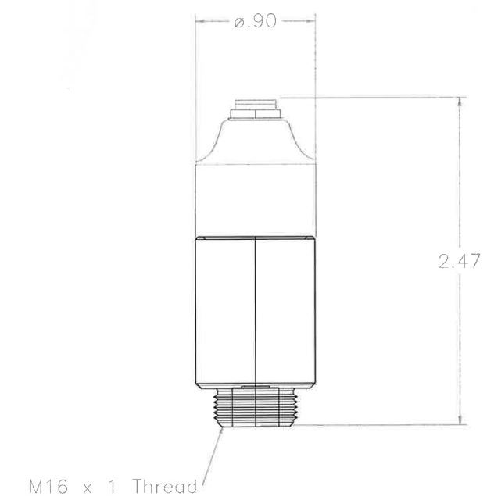
 |  | A | 24 VDC - Optional UL/ETL approved external power supply available separately Includes strain relief and internal terminal block for power connection
Mechanical | WMT |  | Mechanical Configurations
 |  | WMT | Wall Mount - General Purpose Sampling and electrical connections mounted on the sides or bottom of the polycarbonate enclosure.
Sensor | OD |  | Sensor Chamber pressure <2 psig; Vacuums to 12.5 psia (-2.7 psig) are permissible
 |  | OD | Open diffuser - (CAT-OXY-SEN-2SN sensor with 10 feet of interconnecting cable) Sensor has an M16 threaded end
Output | X |  | Electrical Outputs Includes cord grip strain reliefs
 |  | X | Standard 4-20mA and 0-2VDC Analog
 | P/N: | CAT-2000-Select OneSelect OneWMT-XXXXXXX-OD-X
 | Copy & Paste as Text into Quote: | CAT-2000-Select OneSelect OneWMT-XXXXXXX-OD-X | Series 2000 Percent Oxygen Analyzer with three alarm relays, instrument status alarm relay, digital display, audible alarm, visual alarm indicators. Select OneSelect OneFeatures a general purpose polycarbonate wall mount enclosure with sampling and electrical connections mounted on the sides or bottom of the enclosure. Does not include any sample conditioning options. Includes open diffuser OXY-SEN (CAT-OXY-SEN-2SN) sensor with 10 foot coiled cable. Comes with both a 4-20mADC and 0-2vdc analog outputs includes cordgrip strain relief. Warranty: 2-year electronics and 1-year sensor
 |  |  | "Check the price of an existing part number. Correct format is CAT-2000-5 digits-7 digits-2 digits-1 digit, example: CAT-2000-GUBTP-XXXXXXX-XX-X"
 |  |  | Effective Date: 11/07/2025 All Prices and Lead Times Subject to Change Without Notice - Revision 5.4
 |  |  | * Rounded to the nearest dollar

 |  | Part Number | Accessories and Replacements
 |  |  | HS Code: 9027904500
 |  | CAT-OXY-SEN-CCBL | Coiled sensor able for use with the OXY-SEN Oxygen Monitor 10 feet (`3 meters) maximum.
 |  | CAT-OXY-SEN-2SN | Replacement sensor for the OXY-SEN Percent Oxygen Monitor. Warranty: One year from purchase date.
 |  | CAT-PS-24-23K | UL/ETL rated 24VDC AC/DC external power supply for Series 2000, 3000
 |  | 100-0002349 | Hinge set for Alpha Omega Series 1000, 2000, and 3000 trace oxygen analyzer.
 |  |  | HS Code: 9027904500
 |  |  | HS Code: 9027904500
 |  |  | HS Code: 9027904500
 |  |  | HS Code: 9027904500
 |  |  | HS Code: 9027904500
 |  |  | HS Code: 9027904500
 |  |  | HS Code: 9027904500
 |  |  | HS Code: 9027904500
 |  |  | HS Code: 9027904500
 |  |  | HS Code: 9027904500
 |  |  | HS Code: 9027904500
 |  |  | HS Code: 9027904500
 |  |  | HS Code: 9027904500
 |  |  | HS Code: 9027904500
 |  |  | HS Code: 9027904500
 |  |  | HS Code: 9027904500
 |  |  | HS Code: 9027904500
 |  |  | HS Code: 9027904500
 |  |  | HS Code: 9027904500
 |  |  | HS Code: 9027904500
 |  |  | HS Code: 9027904500
 |  |  | HS Code: 9027904500
 |  |  | HS Code: 9027904500
 |  |  | HS Code: 9027904500
 |  |  | HS Code: 9027904500
 |  |  | HS Code: 9027904500
 |  |  | HS Code: 9027904500
 |  |  | HS Code: 9027904500
 |  |  | HS Code: 9027904500
 |  |  | HS Code: 9027904500
 |  |  | HS Code: 9027904500
 |  |  | HS Code: 9027904500
 |  |  | HS Code: 9027904500

